Welcome

 |  | Last Updated: | 2020-11-05

 | Excel Formulae and Tools

IF Statement |  |  |  | IFERROR Statement | INDEX Statement

CONCATENATE Statement |  |  |  | COUNTIF Statement | MATCH Statement

Text To Columns |  |  |  | VLOOKUP Statement | INDEX/MATCH

Text-to-columns
Text-To-Columns |  |  |  |  |  | Back to Welcome

Tool is found here: | Data > Text to Columns

Example

Link URL |  | Pre | Domain | Folder 1 | Folder 2

https://digitalculturenetwork.org.uk/knowledge/introduction-to-data-analytics-and-insight/ |  | https: | digitalculturenetwork.org.uk | knowledge | introduction-to-data-analytics-and-insight
https://digitalculturenetwork.org.uk/knowledge/data-analytics-a-diagnostic-checklist/ |  | https: | digitalculturenetwork.org.uk | knowledge | data-analytics-a-diagnostic-checklist
https://digitalculturenetwork.org.uk/knowledge/top-tips-for-data-analytics-insight/ |  | https: | digitalculturenetwork.org.uk | knowledge | top-tips-for-data-analytics-insight
https://digitalculturenetwork.org.uk/knowledge/introduction-to-websites/ |  | https: | digitalculturenetwork.org.uk | knowledge | introduction-to-websites
https://digitalculturenetwork.org.uk/knowledge/websites-a-diagnostic-checklist/ |  | https: | digitalculturenetwork.org.uk | knowledge | websites-a-diagnostic-checklist
https://digitalculturenetwork.org.uk/knowledge/top-tips-for-websites/ |  | https: | digitalculturenetwork.org.uk | knowledge | top-tips-for-websites
https://digitalculturenetwork.org.uk/knowledge/top-tips-for-crm/ |  | https: | digitalculturenetwork.org.uk | knowledge | top-tips-for-crm
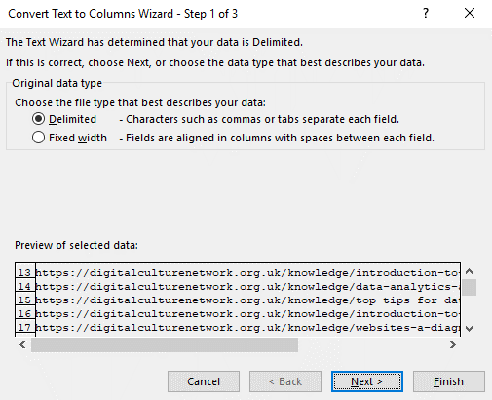
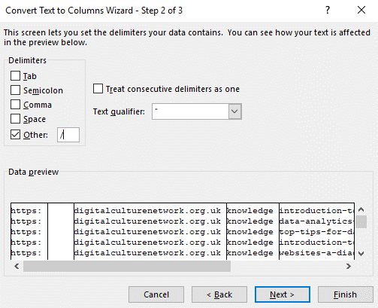
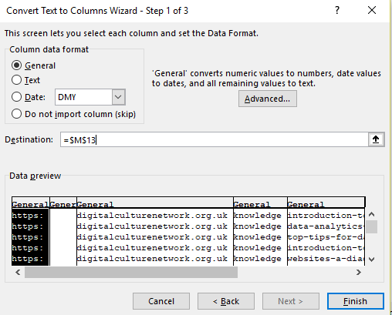
EXPLANATION

In this example, we want to split these URLs into their component parts.
In the step 1, we select how we want the text strings to be split. You can define a character which indicates the place to plit at (delimited), or use a fixed width. In this example we are using delimited. We then need to tell the wizard what character defined the split point, in this case we are using "/". We will then assign any formatting, and a destination for the output.

