1a. OKRs template
💡 The Objectives and Key Results (OKRs) template provides a clear framework defining project outcomes and the measurable KPIs that support them so that activiites and efforts stay focused and their purpose is clear.

[Add your mission statement here]

Go to Tab 4a.
Mission element 1 E.g., To act in the public interest. | Broad objective 1 E.g., To reflect the United Kingdom, its culture and values to the world. | SMART Goal (£, %, #) | Timeframe (by when) | Key performance indicator
 |  |  |  | Key performance indicator
 |  | SMART Goal (£, %, #) | Timeframe (by when) | Key performance indicator
 |  |  |  | Key performance indicator

Go to Tab 4a.
Mission element 2 E.g., To serve all audiences through impartial output. | Broad objective 2 E.g., To show the most creative, highest quality and distinctive output. | SMART Goal (£, %, #) | Timeframe (by when) | Key performance indicator
 |  |  |  | Key performance indicator
 |  | SMART Goal (£, %, #) | Timeframe (by when) | Key performance indicator
 |  |  |  | Key performance indicator

Go to Tab 4a.
Mission element 3 E.g., To inform, educate and entertain. | Broad objective 3 E.g., To support learning for people of all ages. | SMART Goal (£, %, #) | Timeframe (by when) | Key performance indicator
 |  |  |  | Key performance indicator
 |  | SMART Goal (£, %, #) | Timeframe (by when) | Key performance indicator
 |  |  |  | Key performance indicator

2b. Audience segments (example)
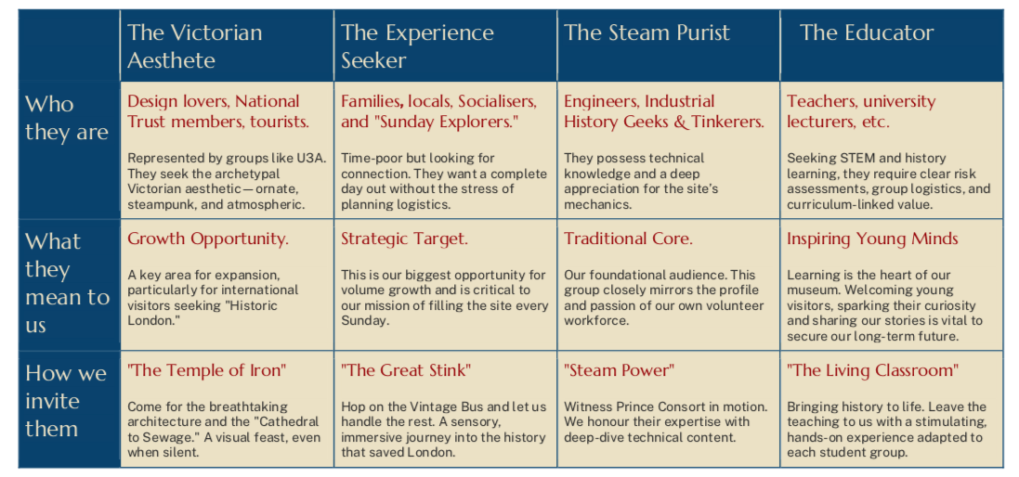
💡 An example of audience segmentation taken from Crossness Pumping Station's communications strategy.

